Quick Calc
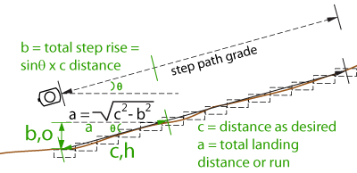
 |  |  | Quick Step Calculations

ONLY change gray #
Step calculations for lower or more than clino eye height, only need grade and distance at that grade
c=hypotenuse | grade | desired | leg b | c | leg a | grade | step# | step run
running grade |  | step | rise |  | run | q | for | landing
distance feet | % | rise in | inches | in | inches | degrees | rise | average in.
10 | 73.40 | 8.00 | 71.01 | 120 | 97 | 36.28 | 9 | 10.90
 |  |  | ^sin(q) x c |  | a^2= c^2-b^2
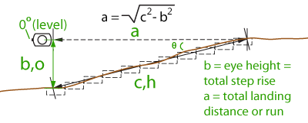

Step calculations at clino eye height, i.e. 0% hits x # ft on running grade
c=hypotenuse | leg b | desired | c | leg a | grade | grade | step# | step run
running grade | rise | step |  | run | q | q | for | landing
distance feet | inches | rise in | in | inches | % | degrees | rise | average in.
10 | 71 | 8.00 | 120 | 97 | 73.39 | 36.28 | 9 | 10.90
 | ^enter height |  |  | a^2= c^2-b^2 | Grades > 70% create landings < 12 inches- see table
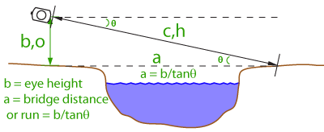
 | of eye

Bridge span assuming mostly level banks, standing at bank 1 beginning and aiming at bank 2 end
Calculations at clino eye height, i.e. 0% hits x # ft on running grade
leg b | grade | c=hypotenuse | c | leg a | grade | leg a
rise | only use+ | eye to opposite bank |  | run | q | Bridge Span
inches | degrees | distance in | ft | inches | % | ft
71 | 26.57 | 159 | 13.23 | 142 | 50.01 | 11.83
^enter height |  | c^2=a^2+b^2 |  | a=b/tanq | 50.01
of eye

